Project List_(0130)
☞ 24' ESS/UPS Project List
Product | Customer | Project Name | Con | Rack | BCP /BBP | RJP | Module | Cell | Ah | Start Date | End Date | ship ready date | Cell | Remark | Slotting
ESS_Rack | Pacific Energy Renewables WA Pty Ltd | LSO2 |  | 30 | 3 |  | 360 | 15,840 | 103Ah | 2023-11-06 | 2023-11-30 | 2024-01-05 | Sella 2 new cell |  | 24' Q1
ESS_Rack | Pacific Energy Renewables WA Pty Ltd | LSO2 |  | 30 | 3 |  | 360 | 15,840 | 103Ah | 2023-12-05 | 2024-01-05 | 2024-01-12 | Sella 2 new cell |  | 24' Q1
ESS_Rack | Pacific Energy Renewables WA Pty Ltd | LSO2 |  | 30 | 3 |  | 360 | 15,840 | 103Ah | 2023-12-18 | 2024-01-15 | 2024-01-22 | Sella 2 new cell |  | 24' Q2
ESS_Rack | Pacific Energy Renewables WA Pty Ltd | LSO2 |  | 30 | 3 |  | 360 | 15,840 | 103Ah | 2024-01-03 | 2024-01-25 | 2024-01-29 | Sella 2 new cell |  | 24' Q2
ESS_Rack | Pacific Energy Renewables WA Pty Ltd | LSO2 |  | 30 | 3 |  | 360 | 15,840 | 103Ah | 2024-01-17 | 2024-02-13 | 2024-02-20 | Sella 2 new cell |  | 24' Q2
ESS_Rack | Pacific Energy Renewables WA Pty Ltd | LSO2 |  | 30 | 3 |  | 360 | 15,840 | 103Ah | 2024-01-29 | 2024-02-23 | 2024-03-02 | Sella 2 new cell |  | 24' Q2
ESS_Rack | Pacific Energy Renewables WA Pty Ltd | LSO2 |  | 30 | 3 |  | 360 | 15,840 | 103Ah | 2024-02-21 | 2024-03-18 | 2024-03-25 | Sella 2 new cell |  | 24' Q3
ESS_Rack | Pacific Energy Renewables WA Pty Ltd | LSO2 |  | 30 | 3 |  | 360 | 15,840 | 103Ah | 2024-03-07 | 2024-03-29 | 2024-04-06 | Sella 2 new cell |  | 24' Q3
ESS_Rack | Pacific Energy Renewables WA Pty Ltd | LSO2 |  | 35 | 2 |  | 420 | 18,480 | 103Ah | 2024-03-19 | 2024-04-12 | 2024-04-19 | Sella 2 new cell |  | 24' Q3
ESS_Rack | ABB Sp. Z.o.o. | DART 2.5MW |  | 13 | 4 |  | 156 | 6,864 | 103Ah | 2024-02-14 | 2024-03-04 | 2024-03-05 | Sella 2 new cell |  | 24' Q1
ESS_Rack | ABB Sp. Z.o.o. | DART 2.5MW |  | 7 |  |  | 84 | 3,696 | 103Ah | 2024-02-14 | 2024-03-04 | 2024-03-05 | KF_02 New |  | 24' Q2
ESS_Rack | Powertech | Conoco Philips Spinning Reserve BESS |  | 42 | 7 |  | 504 | 22,176 | 103Ah | 2024-04-09 | 2024-05-03 | 2024-05-10 | Sella 2 new cell |  | 24' Q3
UPS_Rack | ACE Power Engineering Pte Ltd | RED project |  | 9 |  |  | 36 | 1,260 | 85Ah | 2023-12-18 | 2023-12-26 | 2024-03-15 | KF_02 New |  | 24' Q1
UPS_Rack | ACE Power Engineering Pte Ltd | RED project |  | 6 | 2(BCP) 10(BBP) |  | 24 | 840 | 85Ah | 2024-02-01 | 2024-02-23 | 2024-03-15 | KF_02 New |  | 24' Q1
UPS_Rack | ACE Power Engineering Pte Ltd -> Vertiv (Hong Kong) Limited | RED project -> iAdvantage TKO 131 800kV |  | 6 | 2 | 2 | 24 | 840 | 85Ah | 2023-12-18 | 2023-12-26 | 2024-01-26 | KF_02 New | Ace Power -> Vertiv 배정 변경 | 24' Q1
UPS_Rack | Daitron Co., LTD | Shinagawa |  | 4 | 4 |  | 16 | 560 | 85Ah | 2024-02-01 | 2024-02-13 | 2024-02-15 | KF_02 New |  | 24' Q1
UPS_Rack | ABB Australia Pty Ltd | Sure Power 160S Racks |  | 16 | 2 |  | 80 | 2,560 | 85Ah | 2024-04-01 | 2024-04-05 | 2024-04-19 | KF_02 New |  | 24' Q2
UPS_Rack | ACE Power Engineering Pte Ltd | RED project |  | 6 | 10 |  | 24 | 840 | 85Ah | 2023-02-01 | 2024-02-16 | 2024-02-19 | KF_02 New |  | 24' Q1

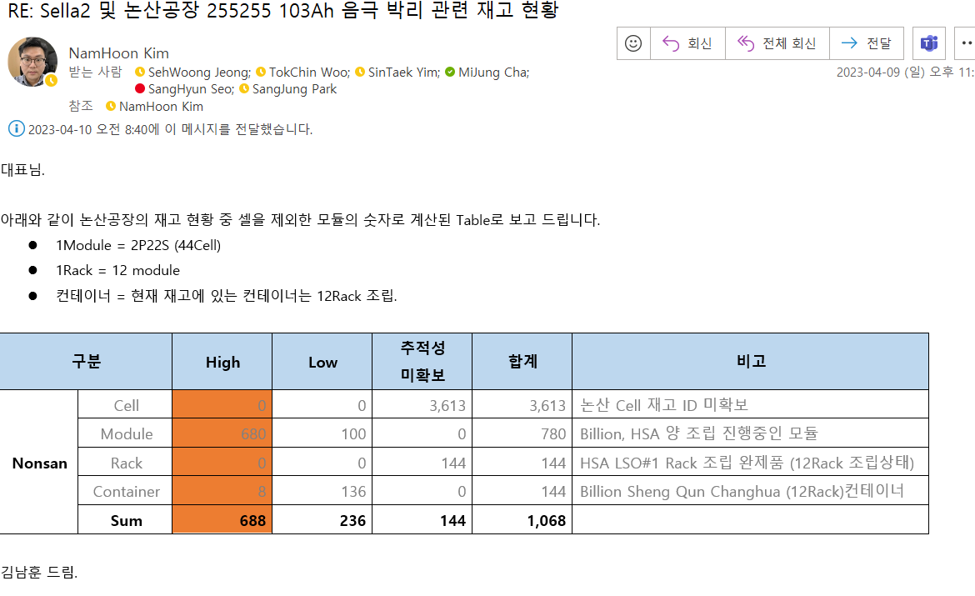

 | Apr |  |  |  |  |  |  | Jun |  |  |  |  | Q2 MP Plan
 | 16W | 17W | 19W | 20W |  |  | 21W | 23W
 | 1.6 | 7.1 | 7.1 | 7.1 |  |  | 7.1 | 7.1 |  |  |  |  | 37.1
 | 1.6 | 7.1 | 7.1 | 7.7 |  |  | 7.7 | 7.7 |  |  |  |  | 38.9
 |  |  |  |  |  |  |  |  |  |  |  |  | 0
 |  |  |  |  |  |  |  |  |  |  |  |  | 0

